Results
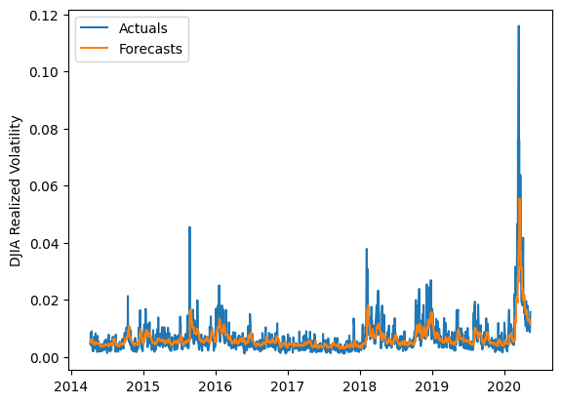
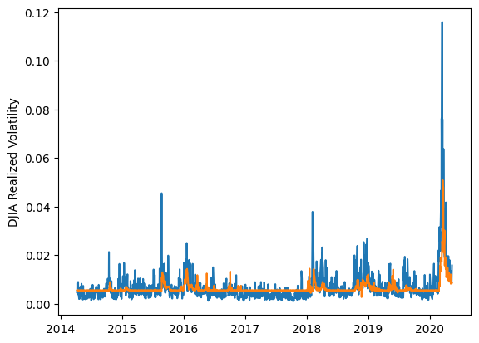
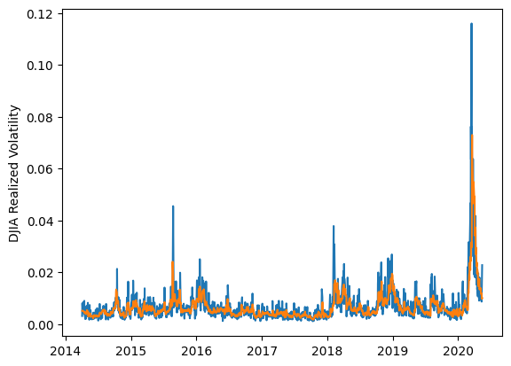
 | LSTM |  |  | TCN |  |  | NBEATSx |  |  |  |  | LSTM |  |  | TCN |  |  | NBEATSx
 | Accuracy | RMSE | Qlike | Accuracy | RMSE | Qlike | Accuracy | RMSE | Qlike |  |  | Accuracy | RMSE | Qlike | Accuracy | RMSE | Qlike | Accuracy | RMSE | Qlike
Trial 1 | 59.68% | 0.244% | 0.111 | 47.02% | 0.273% | 0.166 | 66.44% | 0.230% | 0.089 |  | Mean | 58.86% | 0.248% | 0.117 | 49.35% | 0.282% | 0.163 | 66.20% | 0.230% | 0.088
Trial 2 | 53.00% | 0.257% | 0.136 | 52.66% | 0.266% | 0.146 | 66.89% | 0.228% | 0.091 |  | Standard Deviation | 4.92% | 0.007% | 0.017 | 4.35% | 0.011% | 0.018 | 0.50% | 0.002% | 0.002
Trial 3 | 59.70% | 0.248% | 0.113 | 55.26% | 0.271% | 0.141 | 65.42% | 0.231% | 0.087 |  | 95% CI upper bound | 68.70% | 0.263% | 0.150 | 58.04% | 0.304% | 0.199 | 67.21% | 0.233% | 0.092
Trial 4 | 54.16% | 0.253% | 0.132 | 48.95% | 0.288% | 0.166 | 66.63% | 0.230% | 0.090 |  | 95% CI lower bound | 49.02% | 0.234% | 0.083 | 40.66% | 0.260% | 0.128 | 65.20% | 0.227% | 0.085
Trial 5 | 56.24% | 0.249% | 0.124 | 49.67% | 0.277% | 0.161 | 66.80% | 0.229% | 0.088 |  | 99.7% CI upper bound | 73.62% | 0.270% | 0.167 | 62.39% | 0.315% | 0.217 | 67.71% | 0.234% | 0.094
Trial 6 | 51.88% | 0.261% | 0.141 | 47.80% | 0.290% | 0.172 | 66.41% | 0.229% | 0.088 |  | 99.7% CI lower bound | 44.10% | 0.226% | 0.067 | 36.31% | 0.249% | 0.110 | 64.70% | 0.225% | 0.083
Trial 7 | 65.67% | 0.246% | 0.098 | 46.11% | 0.279% | 0.175 | 65.89% | 0.231% | 0.089
Trial 8 | 57.69% | 0.247% | 0.120 | 53.73% | 0.283% | 0.148 | 65.85% | 0.230% | 0.087
Trial 9 | 61.49% | 0.244% | 0.107 | 55.53% | 0.281% | 0.142 | 66.32% | 0.229% | 0.089
Trial 10 | 60.80% | 0.247% | 0.112 | 46.82% | 0.293% | 0.174 | 65.20% | 0.232% | 0.088
Trial 11 | 65.21% | 0.240% | 0.096 | 47.23% | 0.273% | 0.167 | 65.82% | 0.228% | 0.085
Trial 12 | 49.99% | 0.263% | 0.150 | 50.77% | 0.284% | 0.159 | 66.09% | 0.233% | 0.092
Trial 13 | 63.53% | 0.240% | 0.100 | 38.34% | 0.311% | 0.212 | 66.15% | 0.230% | 0.088
Trial 14 | 60.00% | 0.243% | 0.110 | 52.06% | 0.277% | 0.151 | 66.82% | 0.228% | 0.090
Trial 15 | 63.87% | 0.241% | 0.100 | 48.34% | 0.290% | 0.170 | 66.32% | 0.228% | 0.087

 | LSTM (best trial) |  |  |  |  |  |  |  |  | TCN (best trial) |  |  |  |  |  |  |  |  | NBEATSx (best trial)

